Hoja1
 | Action |  |  |  |  |  |  |  | Goto |  |  | Pila | Entrada | Accion
 | or | and | not | ( | ) | true | false | $ | bexpr | bterm | bfactor | # | true or not ( false )$ | S6
I0 |  |  | S4 | S5 |  | S6 | S7 |  | 1 | 2 | 3 | true # | or not ( false )$ | R7
I1 | S8 |  |  |  |  |  |  | ACCEPT |  |  |  | bterm # | or not ( false )$ | R4
I2 | R2 | S9 |  |  | R2 |  |  | R2 |  |  |  | bexpr # | or not ( false )$ | R2
I3 | R4 | R4 |  |  | R4 |  |  | R4 |  |  |  | bexpr # | or not ( false )$ | S8
I4 |  |  | S4 | S5 |  | S6 | S7 |  |  |  | 10 | or bexpr # | not ( false )$ | S4
I5 |  |  | S4 | S5 |  | S6 | S7 |  | 11 | 2 | 3 | not or bexpr # | ( false )$ | S5
I6 | R7 | R7 |  |  | R7 |  |  | R7 |  |  |  | ( not or bexpr # | false )$ | S7
I7 | R8 | R8 |  |  | R8 |  |  | R8 |  |  |  | false ( not or bexpr # | )$ | R8
I8 |  |  | S4 | S5 |  | S6 | S7 |  |  | 12 | 3 | bfactor ( not or bexpr # | )$ | R4
I9 |  |  | S4 | S5 |  | S6 | S7 |  |  |  | 13 | bterm ( not or bexpr # | )$ | R2
I10 | R5 | R5 |  |  | R5 |  |  | R5 |  |  |  | ) false ( not or bexpr # | )$ | S14
I11 | S8 |  |  |  | S14 |  |  |  |  |  |  | ) false ( not or bexpr # | $ | R6
I12 | R1 | S9 |  |  | R1 |  |  | R1 |  |  |  | bfactor not or bexpr # | $ | R5
I13 | R3 | R3 |  |  | R3 |  |  | R3 |  |  |  | bfactor or bexpr # | $ | R1
I14 | R6 | R6 |  |  | R6 |  |  | R6 |  |  |  | bexpr # | $ | ACCEPT
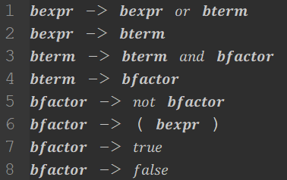

 | terminal |  | first
1 | bexpr' |  | not, (, true, false
2 | bexpr |  | not, (, true, false
3 | bterm |  | not, (, true, false
4 | bfactor |  | not, (, true, false

